Sheet1
 |  | Document No. | Issue No. |  | Issue Date |  | Review and Replace Date |  |  | Authorised By
 |  | GFF032MC | 6 |  | 29.10.2018 |  | 28.09.2023
 |  | Document Title | 12 ORIENTAL SELECTION WITH SWEET CHILLI DIP 276g
 |  | Film Updated |  |  |  | Page |  | 1 of 1 |  | Magda Shah
Document amendments reason for change |  |  |  |  |  | Previous Issue Date |  | 18.11.2022 |  | Uncontrolled copy unless signed original

CORSLB2-R1TEB | BOOTHS - XMAS |  | 12 ORIENTAL SELECTION WITH SWEET CHILLI DIP 276g
STEP 1 |  |  |  | STEP 2 |  |  |  |  | STEP 3
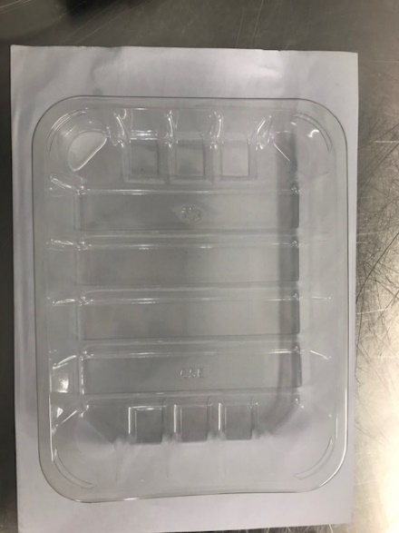 |  |  |  | 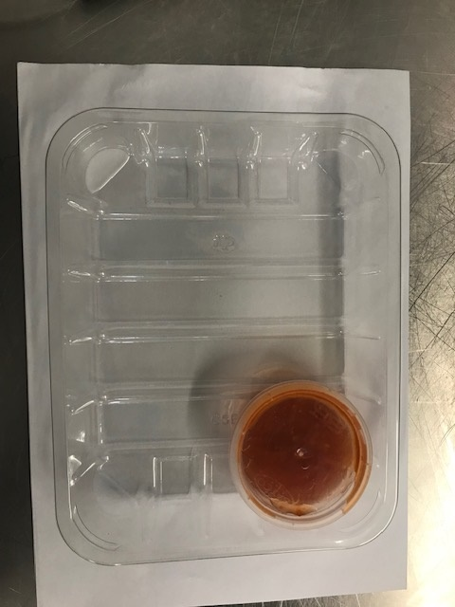 |  |  |  |  | 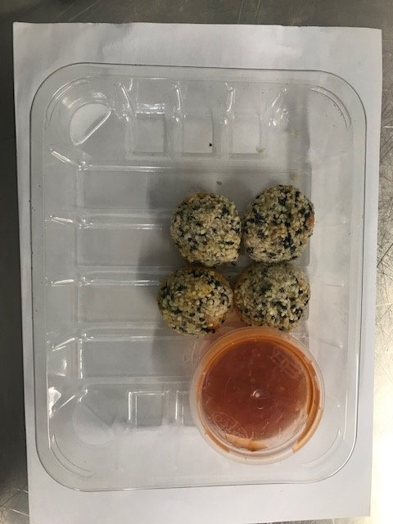

Tray: C5E CLEAR (PKHOL001-07) |  |  |  | SWEET CHILLI DIP (GFF109R) :40g |  |  |  |  | 4 x PRAWN BAGUETTE TOAST (RMTRA003-04) 20g
Film: K Peel RPSM 25µm (340mmX1000lmm) (PKKMP001-05) |  |  |  | SATCO CONTAINERS (PKKAV001-17)
STEP 4 |  |  |  | STEP 5 |  |  |  |  | STEP 6
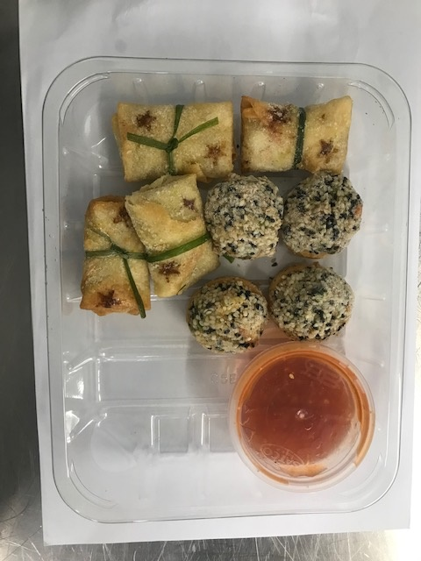 |  |  |  | 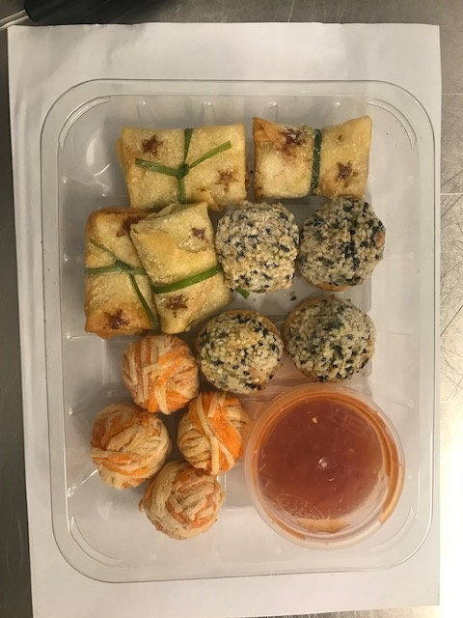

4 x PENANG PRAWN PARCELS (STAR PRINTED) (RMTRA003-03) 20g |  |  |  | 4 x RED & WHITE FILO BAUBLE (RMTRA003-02) 19g |  |  |  |  | TOTAL WEIGHT: 276g

ALLERGY ALERT: BARLEY, CRUSTACEAN, SOYA, SESAME, WHEAT

